Hiearchy View
CLASS: ANODE
An anode is an electrode through which the conventional current enters into a polarized electrical device. | 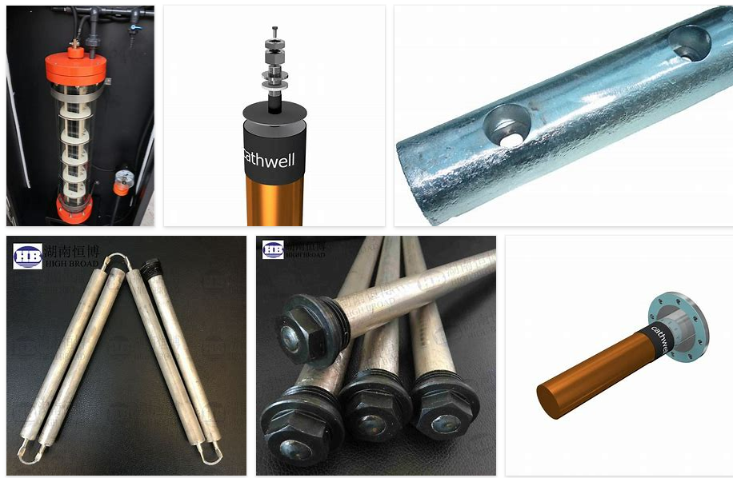
REMOVE | N

PROBLEM_DESC | CAUSE_DESC | REMEDY_DESC
BROKEN/DAMAGED
LEAKING
OTHER PROBLEM
OVERHEATING
POWER-ELEC
STOPPED/SLOWED/POOR OPS
TEMP-CTRL
Grand Total

